Template Help
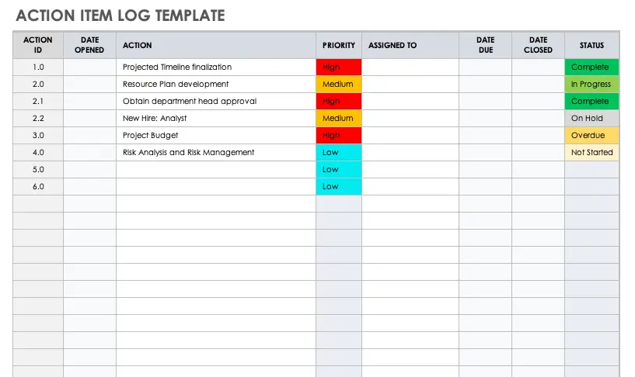
Overview / grading requirements:
A project action log is simply a single place for your team's To Do list. It consolidates all the actions from meeting minutes, phone calls, etc.
The purpose of an action log is to consolidate actions into one place to save time when you're tracking and monitoring progress.
It is not the same as the project schedule and should not overlap with the project schedule or action plan.
The benefits of an action log are: keeping all actions together in one consolidated location, making it easy to see who is doing what, making it easy to see the status of open actions, and improving communication in the team.

Helpful Links:
https://www.liquidplanner.com/blog/ask-a-pm-a-guide-to-action-log-tasks-and-activities/
https://www.youtube.com/watch?v=ep4otYAXqjs

Example:

